Sheet1
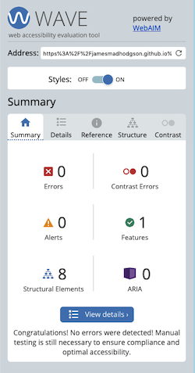
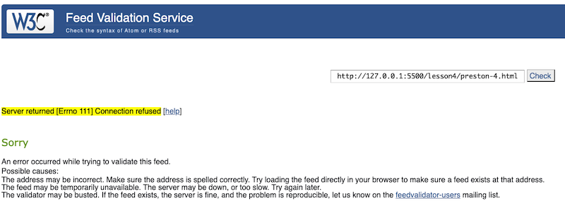
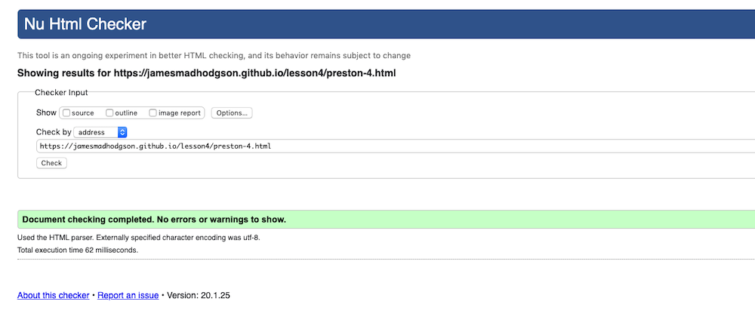
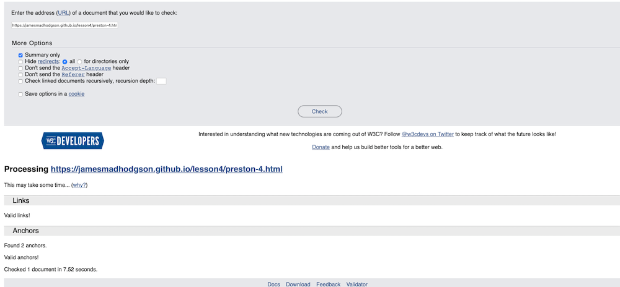
Test Script Name: | HTML Validator/ CSS | CIT 360/ Wrong Again weather forcast
Scenario/Purpose: | Test HTML and CSS
Prerequisites: | Assingment check
Name of Tester: | James Hodgson
Step | TEST CASE | Expected Results | Observed results | pass | fail | Status
1 | Validate CSS | CCC has no errors | No errors found | x |  | CSS level 3 , 23 Warnings
2 | Validate Feed | feed from page is vaild | Fail |  | x | Server returned Errno 11 connection refused
3 | Validate HTML | HTML has no errors | NO errors or warning | x |  | Document checking complete
4 | Web accessibilty | Evauation tool reports no errors | no errors found | x |  | 0 errors, contrast, alerts, structural elements
5 | Validate links | no erros found | No errors found | x |  | Found 2 anchors, Valid ahncors,

